Foglio1
DESCRIPTION: |  | ELECTRICAL PARTS |  |  |  | SN from 03D449
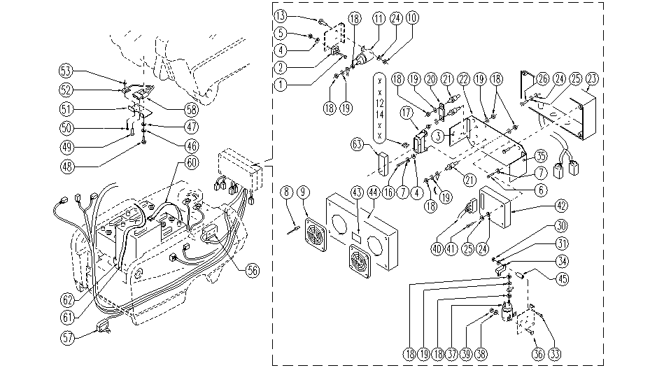

ITEM | SKU | DESCRIPTION | QTY | ITEM | SKU | DESCRIPTION | QTY
 | GR23716P | WIRING | 1 | 31 | E89275 | Washer | 2
1 | SL04149 | SCREW | 1 | 33 | SL04213 | SCREW | 2
2 | E89088 | Rectifier | 1 | 34 | E89433 | Resistor | 1
3 | SL39082-1 | BRACKET | 1 | 35 | SL39082-2 | BRACKET | 1
4 | E86797 | Washer | 8 | 36 | E89244 | Screw | 2
5 | E86739 | AS28 Nut | 2 | 37 | E86646 | Remote Control | 1
6 | SL04226 | SCREW | 4 | 38 | E86707 | Cham Washer D10 | 2
7 | E89250 | Washer | 4 | 39 | E87868 | Self Locking Nut | 2
8 | SL14039 | RIVET | 8 | 40 | SL23221 | CONNECTOR | 1
9 | E89155 | Grating | 2 | 41 | SL04385 | SCREW | 2
10 | SL05043 | NUT | 2 | 42 | E87761 | Traction Card | 1
11 | E86420 | Relay | 1 | 43 | E89162 | Label for fuse FS28 | 1
12 | E86647 | Fuse 40A | 1 | 44 | SL23716-1L | BOX COVER | 1
13 | SL04081 | SCREW | 2 | 45 | SL07534 | SPACER | 2
14 | E89086 | Fuse 10A | 1 | 46 | E86769 | Washer | 2
16 | SL04186 | SCREW | 2 | 47 | E86768 | Washer | 2
17 | E89468 | Fuse Carrier | 1 | 48 | E86558 | screw | 2
18 | E86703 | Nut M8 | 18 | 49 | E89147 | Screw | 1
19 | E89119 | Washer | 14 | 50 | E89145 | Screw | 2
20 | E87859 | Main Fuse | 1 | 51 | E89144 | Support | 1
21 | E86563 | support | 3 | 52 | E86924 | microswitch | 1
22 | SL39082 | PLATE | 1 | 53 | E89146 | Nut | 2
23 | E86775 | box base | 1 | 56 | E86910 | Deck limit switch | 1
24 | E86750 | Washer D5 | 6 | 57 | E86828 | Microswitch | 1
25 | SL06094 | WASHER | 4 | 58 | SL23010K | CONNECTOR | 1
26 | E89473 | Screw | 4 | 60 | SL14356 | BELT | 2
27 | E88219 | Screw | 4 | 61 | E86781 | Battery belt | 2
30 | E88225 | Nut | 2 | 62 | E86782 | Battery tray | 4

